Logic 03
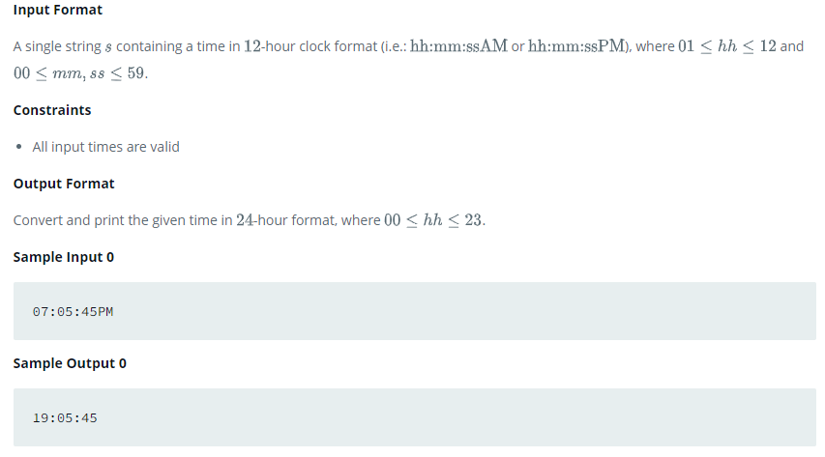
Soal 01 |  | N=7 |  | M=3 |  | O = 2 |  |  | N= | 7 |  |  |  |  |  |  | N= | 7
 | 0 | 1 | 2 | 3 | 4 | 5 | 6 |  | 0 | 1 | 2 | 3 | 4 | 5 | 6 |  | 0 | 1 | 2 | 3 | 4 | 5 | 6
0 | 2 | 5 | 8 | 3 | 11 | 14 | 17 | 0 | 0 | 1 | 2 | 3 | 4 | 5 | 6 | 0 | 0 | 1 | 2 | 3 | 4 | 5 | 6 | 21
1 | 3 |  |  |  |  |  | 3 | 1 | 1 |  |  |  |  |  | 7 | 1 | 1 | 2 | 3 | 4 | 5 | 6 | 7 | 28
2 | 53 |  |  |  |  |  | 20 | 2 | 2 |  |  |  |  |  | 8 | 2 | 2 | 3 | 4 | 5 | 6 | 7 | 8 | 35
3 | 50 |  |  |  |  |  | 23 | 3 | 3 |  |  |  |  |  | 9 | 3 | 3 | 4 | 5 | 6 | 7 | 8 | 9 | 42
4 | 47 |  |  |  |  |  | 26 | 4 | 4 |  |  |  |  |  | 10 | 4 | 4 | 5 | 6 | 7 | 8 | 9 | 10 | 49
5 | 3 |  |  |  |  |  | 3 | 5 | 5 |  |  |  |  |  | 11 | 5 | 5 | 6 | 7 | 8 | 9 | 10 | 11 | 56
6 | 44 | 41 | 38 | 3 | 35 | 32 | 29 | 6 | 6 | 7 | 8 | 9 | 10 | 11 | 12 | 6 | 6 | 7 | 8 | 9 | 10 | 11 | 12 | 63
 |  |  |  |  |  |  |  |  |  |  |  |  |  |  |  |  | 21 | 28 | 35 | 42 | 49 | 56 | 63 | 42
Soal 02 |  | N=7 |  | M=3 |  | O = 2
 | 0 | 1 | 2 | 3 | 4 | 5 | 6
0 |  |  |  |  |  |  | 17
1 |  |  |  |  |  | 14 | 9
2 |  |  |  |  | 11 |  | 20
3 |  |  |  | 3 |  |  | 23
4 |  |  | 8 |  |  |  | 26
5 |  | 5 |  |  |  |  | 27
6 | 2 | 41 | 38 | 81 | 35 | 32 | 29

Soal 03
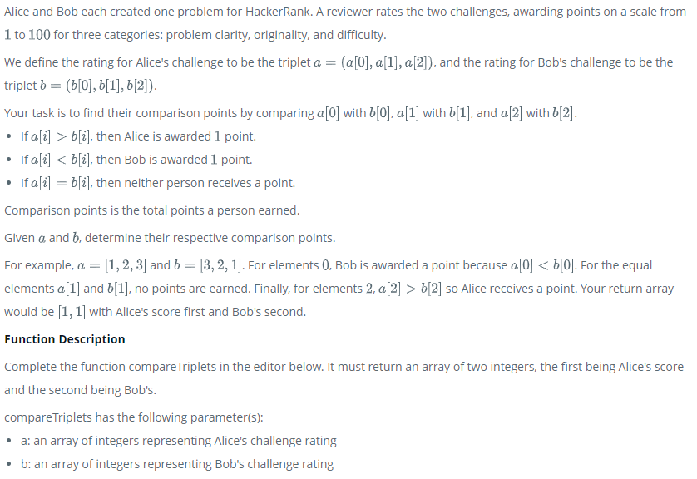

Soal 04
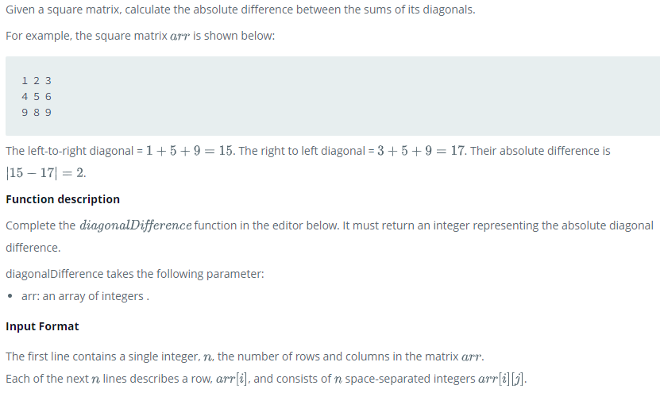

Soal 05
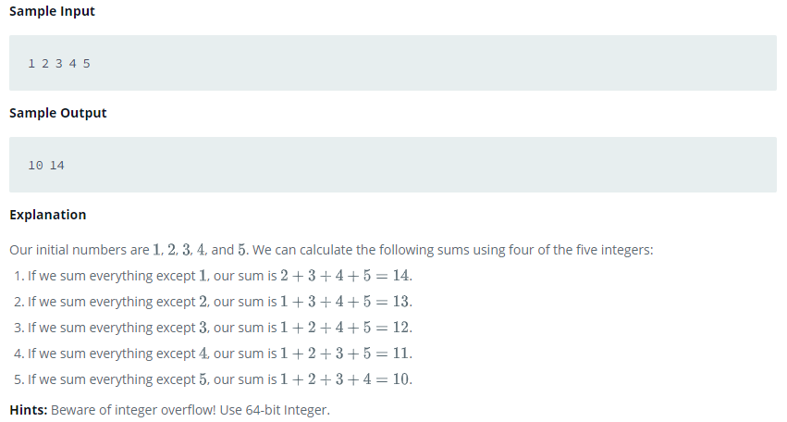

Soal 06
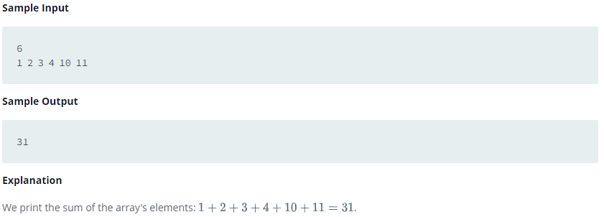

Sample 07
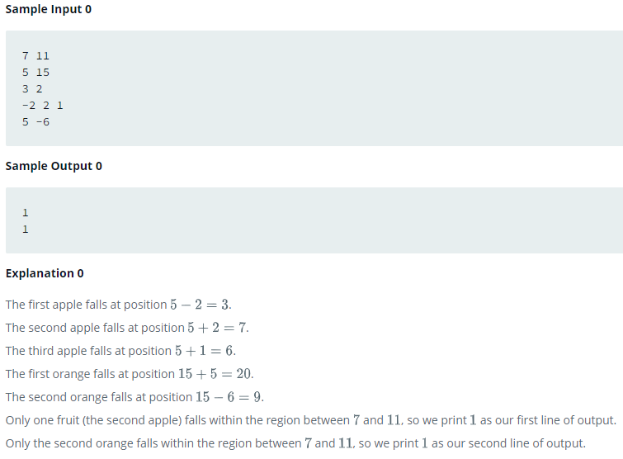

Soal 08
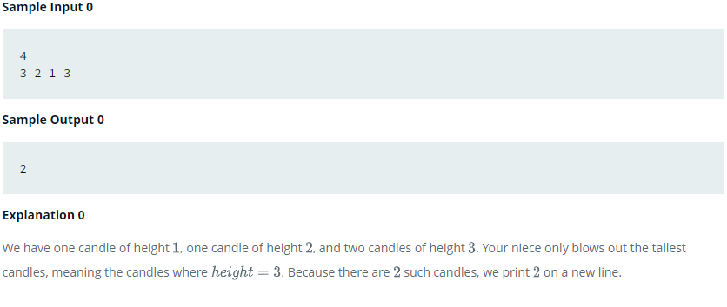

Soal 09

Logic 04
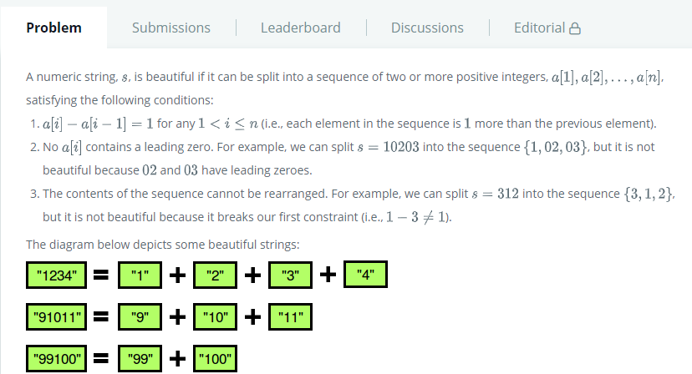
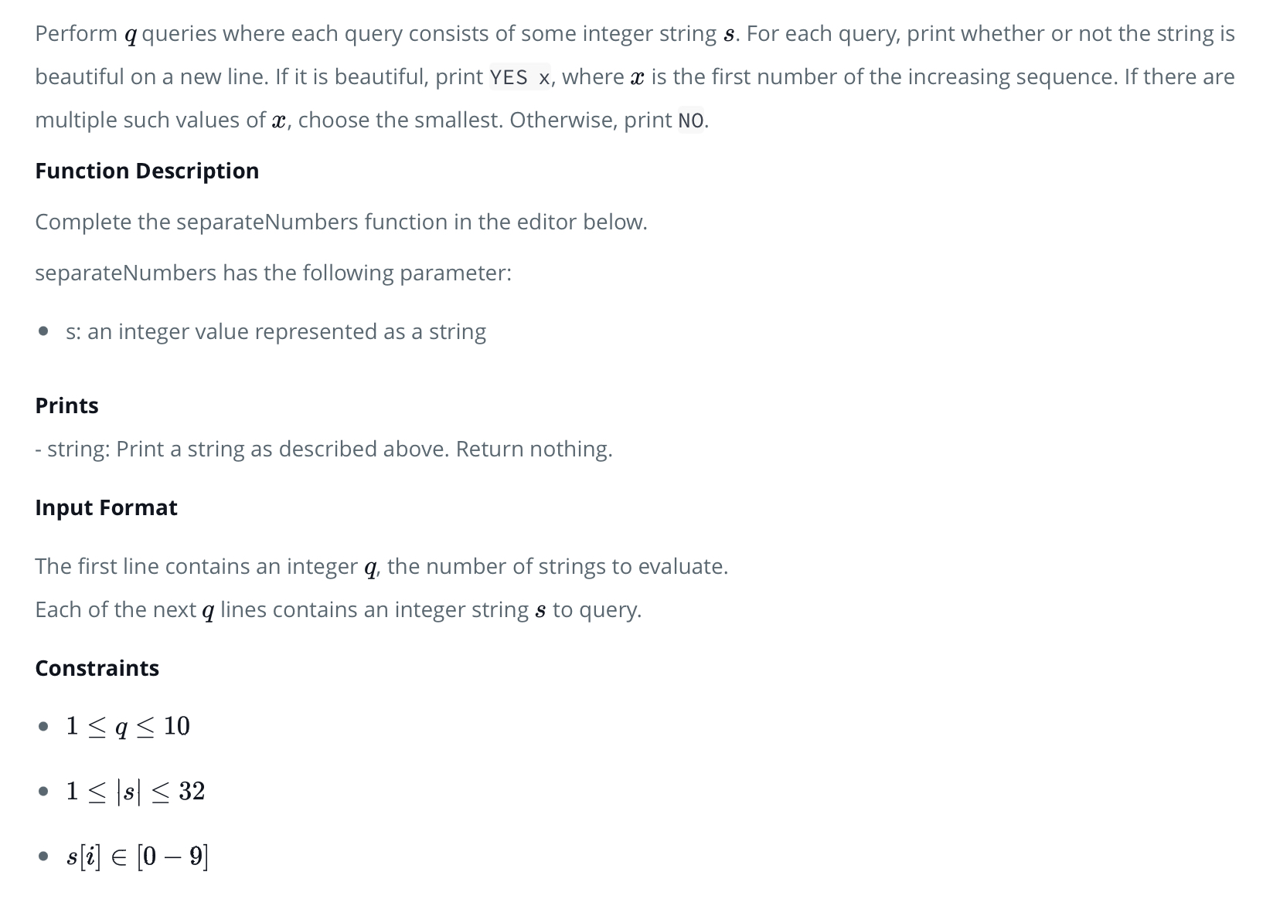
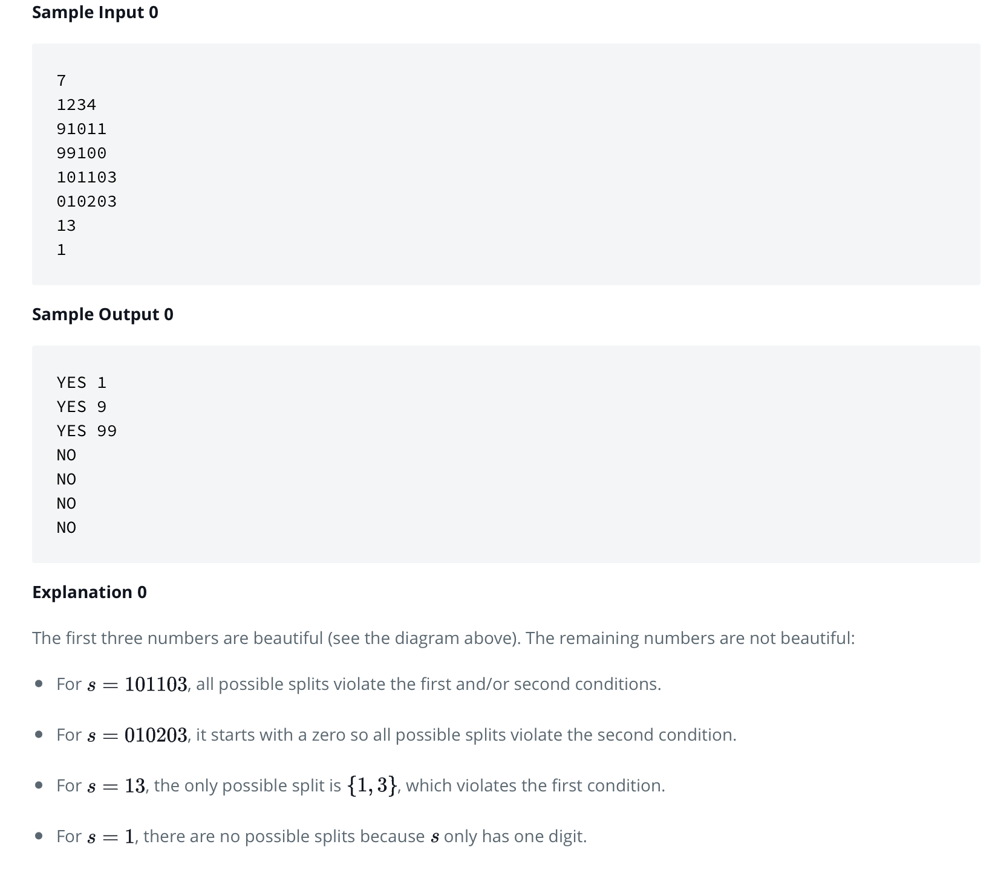

Soal 01 | String - Camel Case
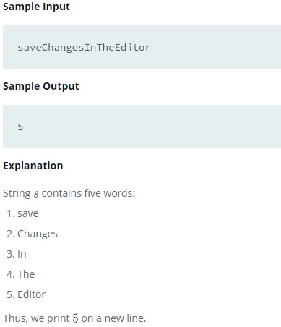

Soal 02 | String - Caesar Cipher
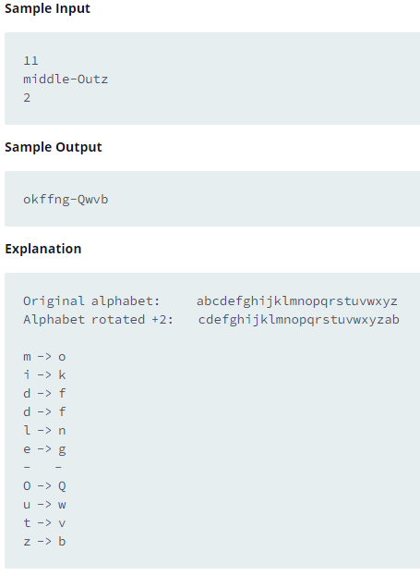

Soal 3 | String - Strong Password
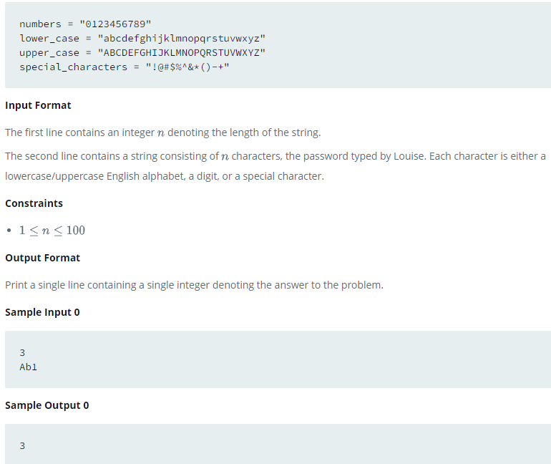

Soal 04 | String - Mars Exploration
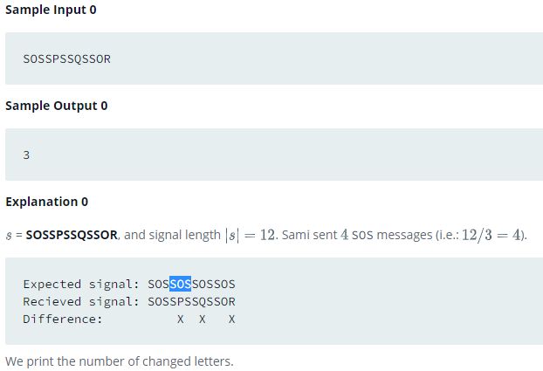

Soal 5 | String - Separated The Number

Logic 05
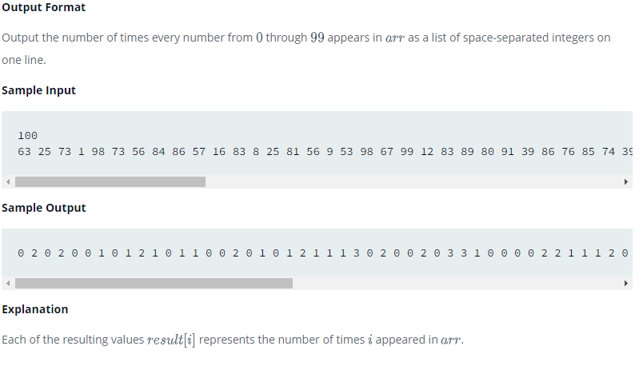
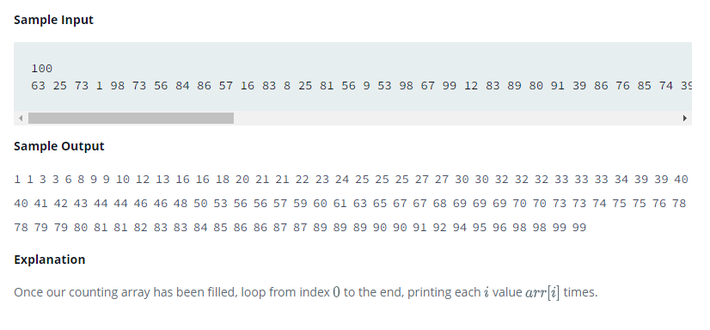
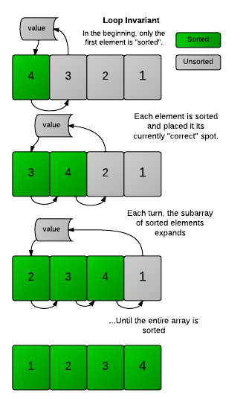
Soal 1 | Sorting - Correctness and the Loop Invariant | Soal 01 |  | Soal 02
 |  | Input: |  | Input:
 |  | 5, 3, 6, 7, 2, 6 |  | 5, 3, 6, 7, 2, 6
 |  | Output: |  | Output:
 |  | 2, 3, 5, 6, 6, 7 |  | 2, 3, 5, 6, 7
 |  | * Sorting ascending |  | 1, 1, 1, 2, 1
 |  |  |  | * Sorting ascending, normalisasi & counting

 |  |  | Soal 03 |  | Soal 04
 |  |  | Input: |  | Input: |  | Input:
 |  |  | 5, 3, 6, 7, 2, 6 |  | 09:12:45PM |  | 09:12:45AM
 |  |  | Output: |  | Output: |  | Output:
 |  |  | Modus: 6 |  | 21:12:45 |  | 09:12:45
 |  |  | Median: 2, 3, 5, 7
 |  |  | * Modus & median |  | * Time convertion to 24-hour format
Soal 2 | Sorting - Find the Median |  | Keterangan: - 6 paling banyak muncul
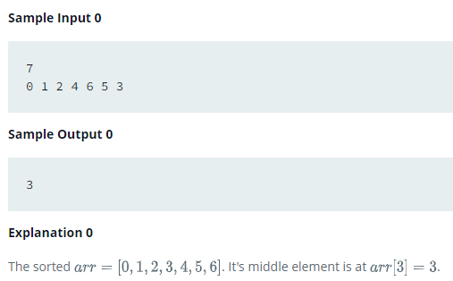
 |  |  | - 2, 3, 5, 7 sama2 muncul 1 kali

 |  |  | Soal 05 |  |  | Soal 06
 |  |  | Input: |  |  | Input: | Input: | Input: | Input:
 |  |  | 5, 3, 6, 7, 2, 6 |  |  | APA | AKU | KODOK | KOLAK
 |  |  | Output: |  |  | Output: | Output: | Output: | Output:
 |  |  | 2, 3, 5, 6, 6, 7 |  |  | TRUE | FALSE | TRUE | FALSE
 |  |  | 16, 24 |  |  | * Mirror
 |  |  | * Sum max & sum min 4 numbers Keterangan: - Min: 2+3+5+6 - Max: 5+6+6+7
Soal 3 | Sort - Closest Numbers
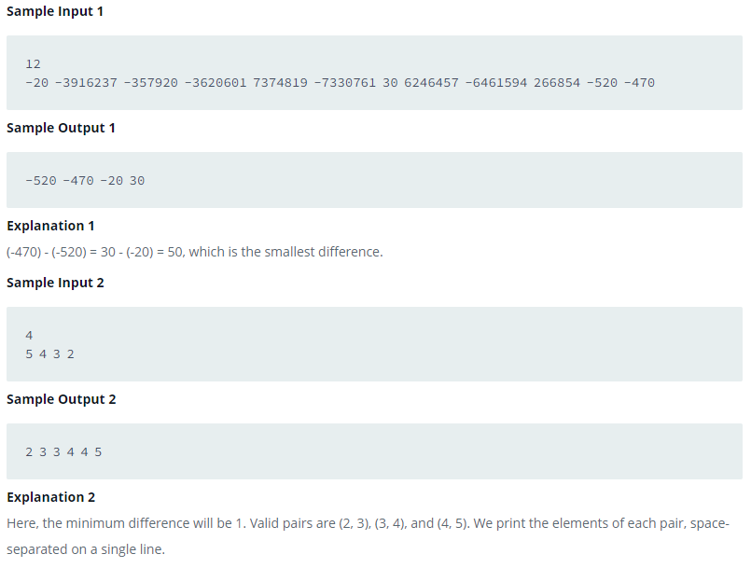
 |  |  | - 2, 3, 5, 7 sama2 muncul 1 kali

Soal 04 | Sorting - Insertion Sort 01 | Sorting - Insertion Sort 02
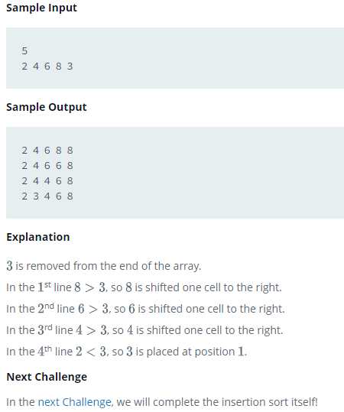
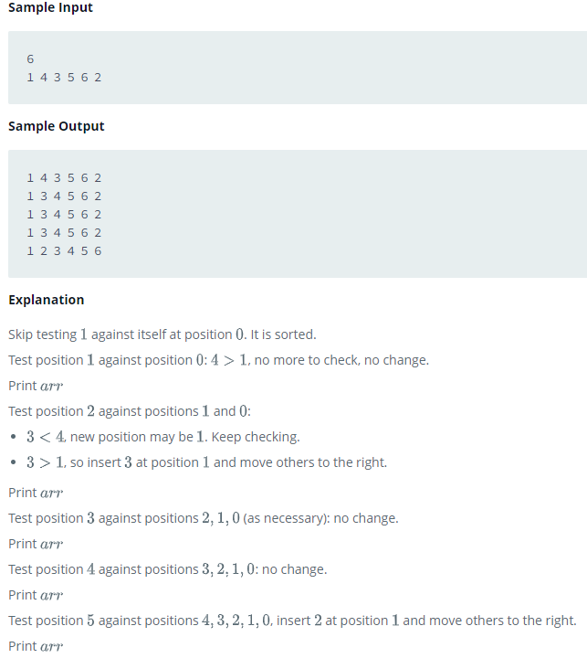

Soal 05 | Sorting -Counting Sort |  |  |  | Sorting - Counting Sort 02

Logic 06
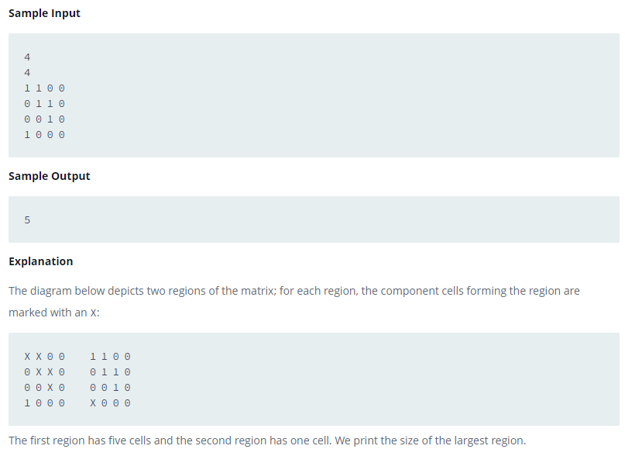
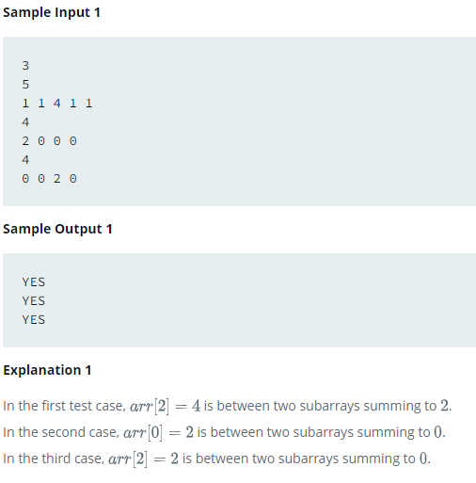
Soal 1 | Search - Sherlock and Array | Soal 08 | Soal 09
 |  | Input: | Input:
 |  | 1, 2, 3, 4, 5 | 1, 2, 3, 4, 5
 |  | 4, 5, 6, 7 | 4, 5, 6, 7
 |  | Output: | Output:
 |  | 4, 5 | 1, 2, 3, 6, 7
 |  | * Inner. Sama2 diada di kedua array | * Outer. Yg tdk ada di kedua array

Soal 02 | Search - Pairs
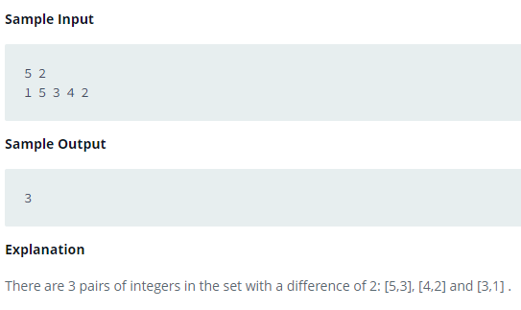

Soal 3 | Search - Minimum Loss
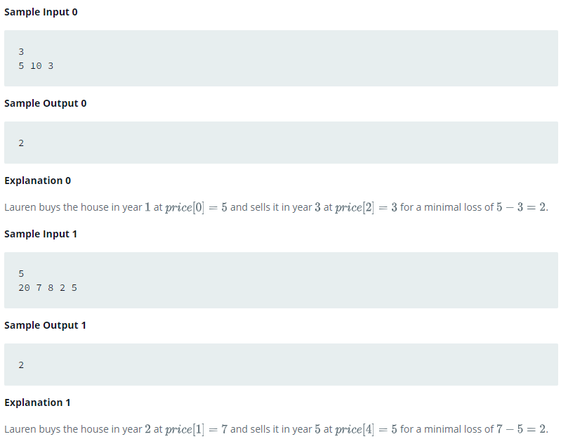

Soal 4 | Search - Cut the Tree
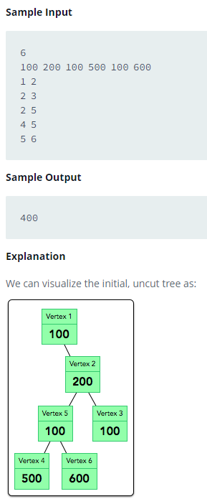

Soal 5 | Search - Connected Cells in a Grid

